Map (2)
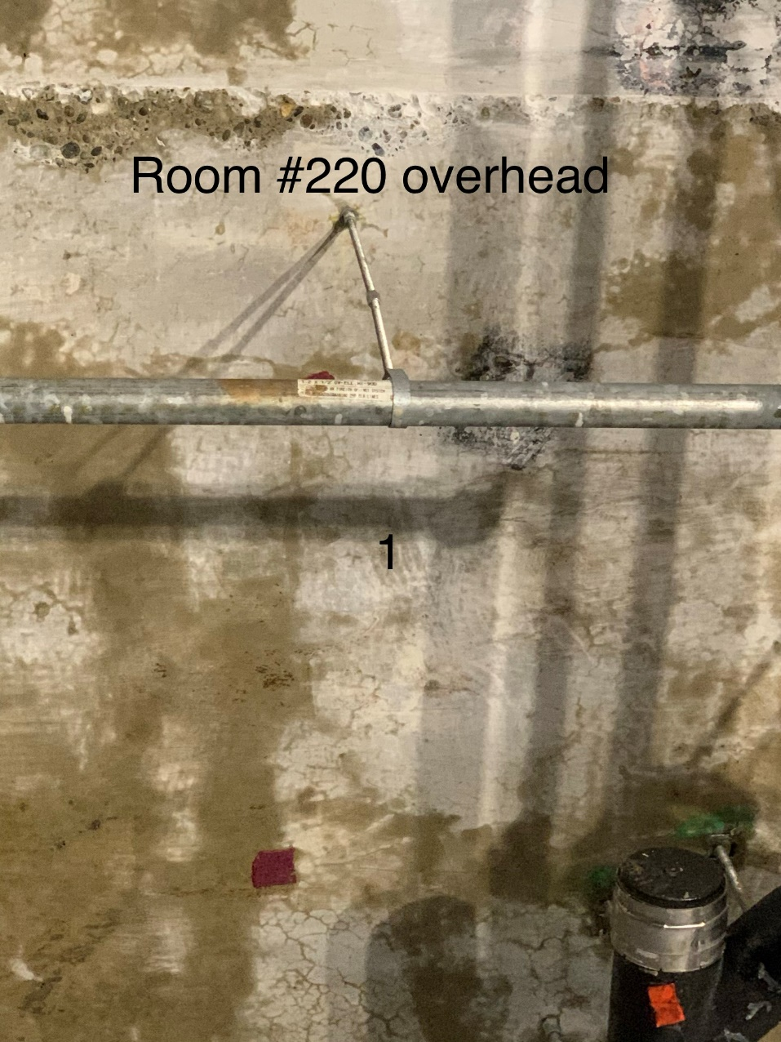
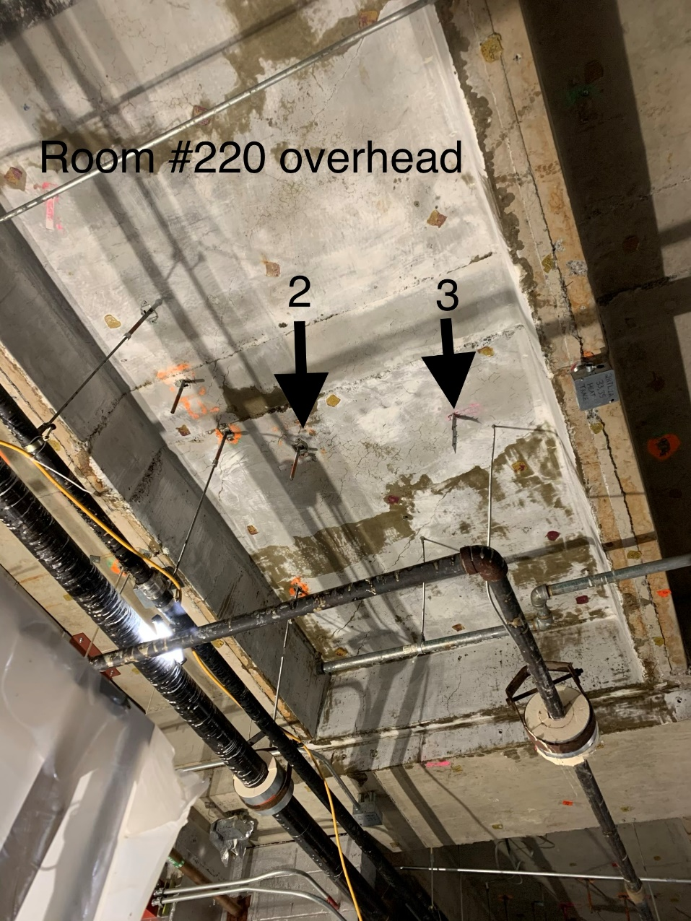

Survey No | INIS-020420-1145
Date | 2020-02-04
Survey Tech | D. Dodge
Count Room Tech | P. Ray
Date Counted | 2020-02-04
Survey Type | Characterization
Level of Posting | RCA
Comments

